CytAssist prep
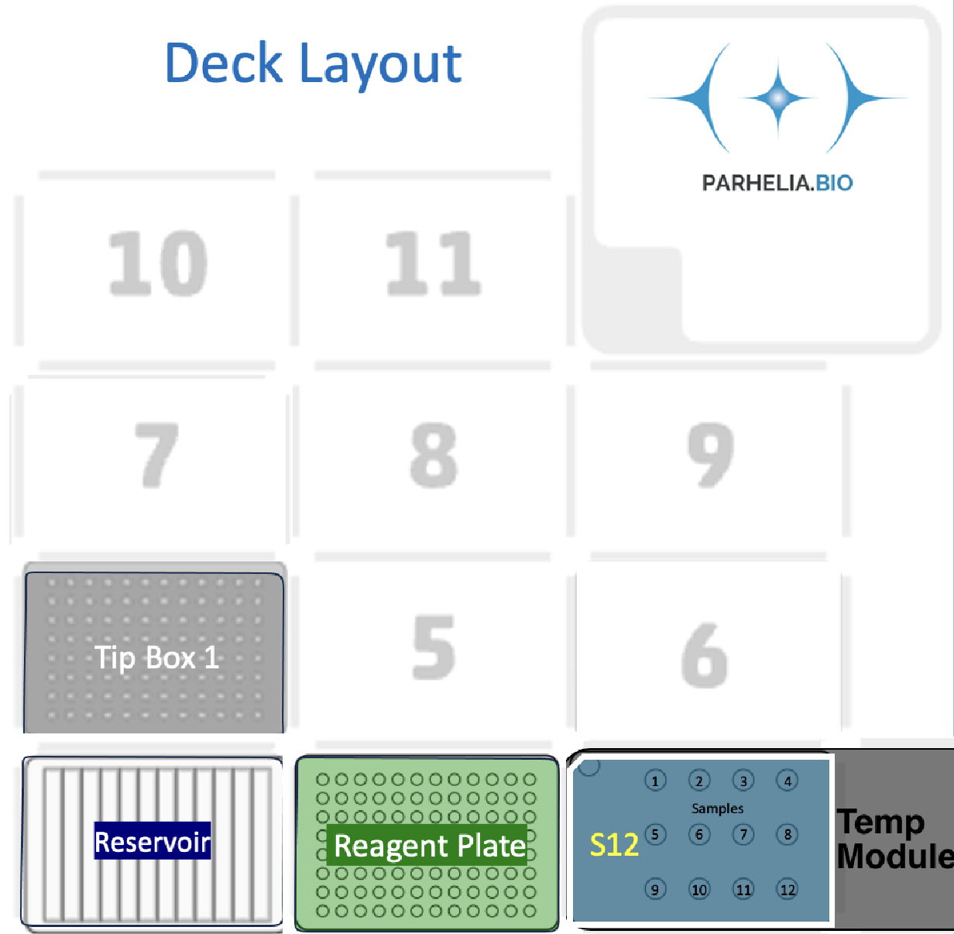
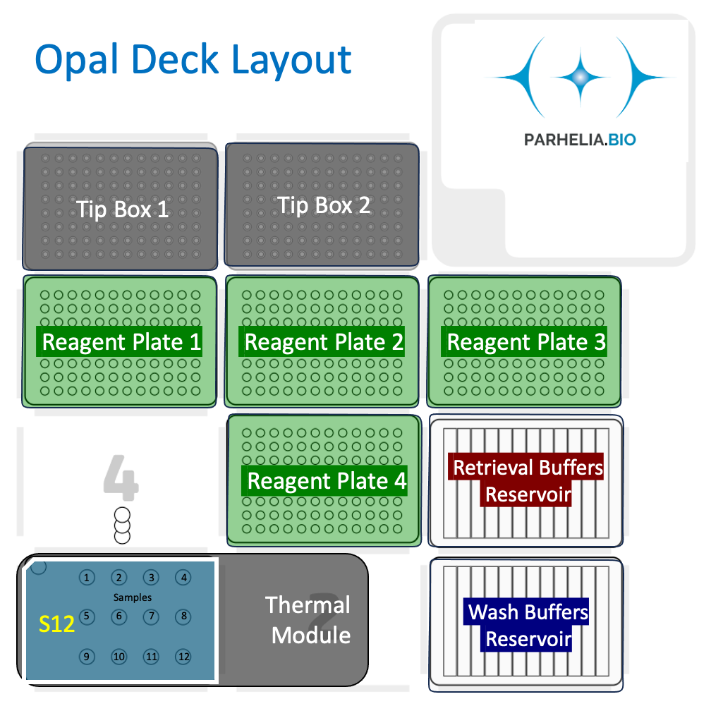
Run variables
Number of Samples: | 2
Probe vol (μL) | 200
Wash vol (μL) | 150
Ligation vol (μL) | 130
Apply Eosin post-staining? | Yes

Deck slot 3: | Omni-Stainer S12 w/ sheath on Temp module
 | 1 | 2 | 3 | 4
A | Sample | Sample
B
C

Deck slot 4: | 300 μL Tip rack

Deck slot 1: 12-trough reservoir | 1 | 2 | 3 | 4 | 5 | 6 | 7 | 8 | 9 | 10 | 11 | 12
A | Destaining buffer | Decross-linking buffer | 2X SSC Buffer | 1X PBS |  |  |  |  |  |  |  | Alcoholic Eosin 10%
Volume (ml) | 3.6 | 3.6 | 5 | 4.8 |  |  |  |  |  |  |  | 3.3

Deck slot 2: 96-well skirted plate |  | !!! Each of the 12 columns corresponds one of the 12 samples in the Omni-stainer S12 module.
Reagent | Volume [μL] / Well |  | 1 | 2 | 3 | 4 | 5 | 6 | 7 | 8 | 9 | 10 | 11 | 12 | Row Volume (μL)
Pre-hyb mix | 200 | A | 200 μL | 200 μL |  |  |  |  |  |  |  |  |  |  | 400
Probe Mix | 200 | B | 200 μL | 200 μL |  |  |  |  |  |  |  |  |  |  | 400
FFPE Post-Hyb. Wash Buffer | 300 | C | 300 μL | 300 μL |  |  |  |  |  |  |  |  |  |  | 600
FFPE Post-Hyb. Wash Buffer | 150 | D | 150 μL | 150 μL |  |  |  |  |  |  |  |  |  |  | 300
Probe Lig. Mix | 130 | E | 130 μL | 130 μL |  |  |  |  |  |  |  |  |  |  | 260
Post-Lig. Wash Buffer | 150 | F | 150 μL | 150 μL |  |  |  |  |  |  |  |  |  |  | 300
Post-Lig. Wash Buffer | 150 | G | 150 μL | 150 μL |  |  |  |  |  |  |  |  |  |  | 300
 |  | H
 |  |  |  |  |  |  |  |  |  |  |  |  |  |  | `

Key | Day 1 | Day 2

